AHU-1
National TAB
Project: Crave - Westedge
Address: 99 WESTEDGE STE 1100 CHARLESTON, SC

Asset: AHU-1 (EXISTING) |  | Area: DINING AREA

Unit Data |  |  |  |  | Test Data
MFG | CARRIER |  |  |  |  | Design | Actual
Model Num | FB4CNP048 |  |  |  | SA CFM | 1600 | 1451
Serial Num | 2017A83728 |  |  |  | Fan Speed |  | DD / HIGH
 |  |  |  |  | OA CFM | 375 | 75
 |  |  |  |  | RA CFM | 1225 | 1376
Motor Data |  |  |  |  | RL Voltage | 208 | 211
Motor MFG | N/L |  |  |  | RL Amperage |  | 3.2
Horsepower | 0.75 |  |  |  | Suction ESP |  | -0.398
Motor Rpm | N/L |  |  |  | Discharge ESP |  | 0.127
Phase | 1 |  |  |  | Total ESP | 0.5 | 0.525
Voltage (rated) | 208 |  |  |  | Brake HP |  | N/A
Amperage (rated) | 3 |  |  |  | OUTSIDE AIR DUCT IS NOT DUCTED TO THE UNIT, UNIT HAS OPEN RETURN AND IS NOT ABLE TO PULL THE REQUIRED CFM THROUGH DUCTWORK. RECOMMEND A BOOSTER FAN BE INSTALLED/ ADDED
 |  |  |  |  | OA IN-LINE DAMPER IS 100% OPEN AND LOOVERS ARE OPEN AND DO NOT HAVE DAMPERS INSTALLED IN THEM.

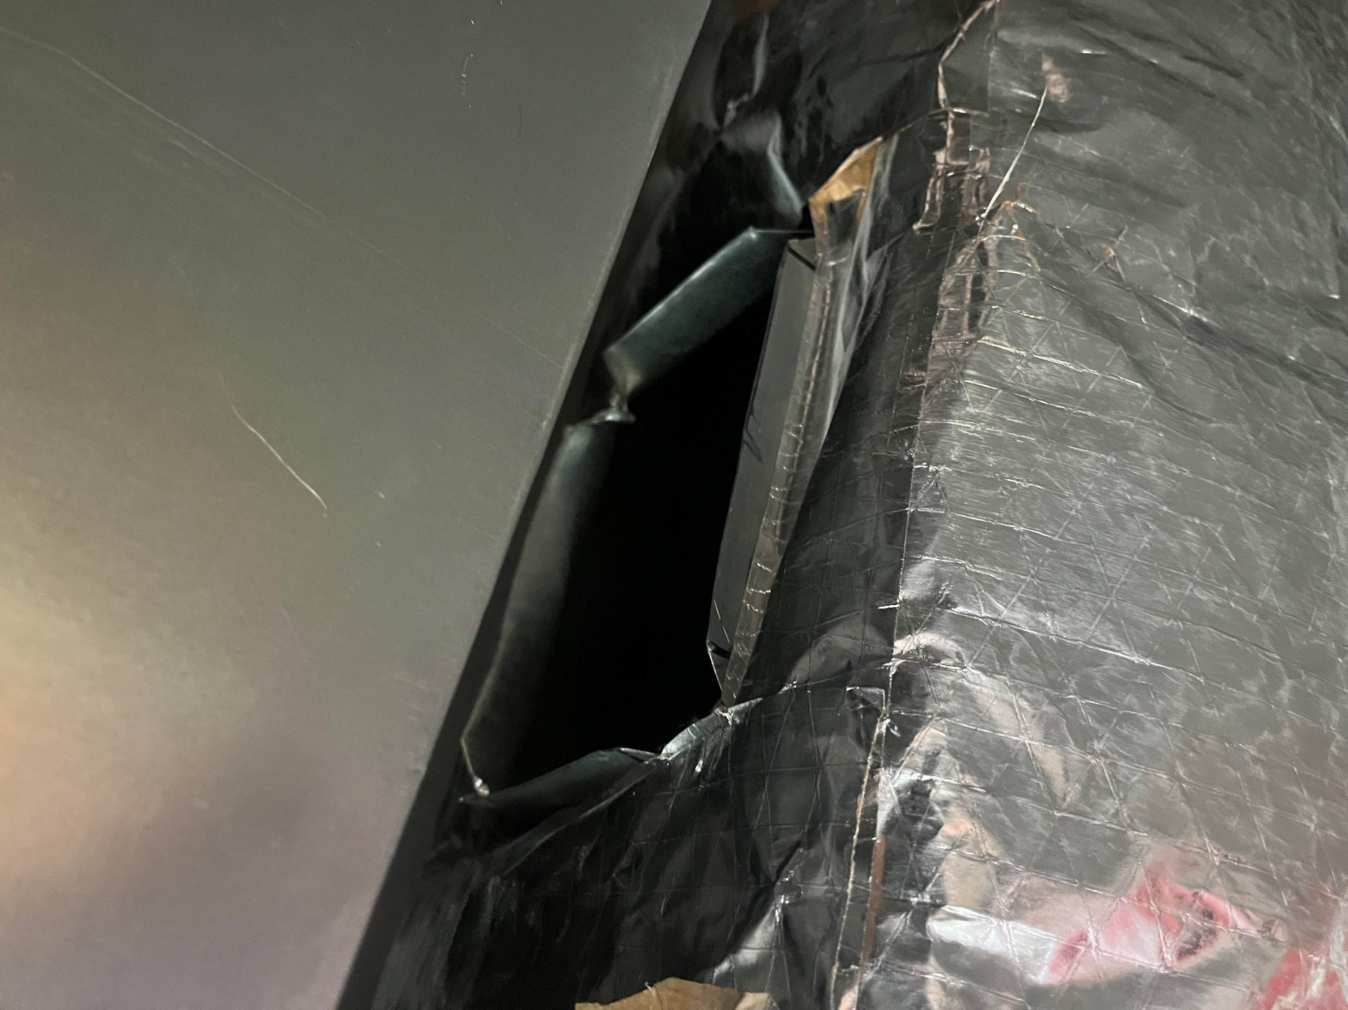
Asset | Area Served | Type | Size | DESIGN CFM | Prelim CFM | FINAL CFM | % to design
1-1 | 100 | A | 12X12 | 400 | 363 | 360 | 0.90
1-2 | 100 | A | 12X12 | 400 | 347 | 364 | 0.91
1-3 | 100 | A | 12X12 | 400 | 386 | 366 | 0.92
1-4 | GAMING | A | 12X12 | 400 | 364 | 361 | 0.90
 |  |  |  | 1600 |  | 1451 | 0.91

AHU-2
National TAB
Project: Crave - Westedge
Address: 99 WESTEDGE STE 1100 CHARLESTON, SC

Asset: AHU-2 (EXISTING) |  | Area: DINING AREA

Unit Data |  |  |  |  | Test Data
MFG | CARRIER |  |  |  |  | Design | Actual
Model Num | FB4CNPO48 |  |  |  | SA CFM | 1600 | 1450
Serial Num | 2017A83740 |  |  |  | Fan Speed |  | DD / HIGH
 |  |  |  |  | OA CFM | 400 | 151
 |  |  |  |  | RA CFM | 1200
Motor Data |  |  |  |  | RL Voltage | 208 | 211
Motor MFG | N/L |  |  |  | RL Amperage |  | 3.1
Horsepower | 0.75 |  |  |  | Suction ESP |  | -0.571
Motor Rpm | N/L |  |  |  | Discharge ESP |  | 0.105
Phase | 1 |  |  |  | Total ESP | 0.5 | 0.676
Voltage (rated) | 208 |  |  |  | Brake HP |  | N/A
Amperage (rated) | 6 |  |  |  | OUTSIDE AIR DUCT IS NOT DUCTED TO THE UNIT, UNIT HAS OPEN RETURN AND IS NOT ABLE TO PULL THE REQUIRED CFM THROUGH DUCTWORK. RECOMMEND A BOOSTER FAN BE INSTALLED/ ADDED. OA IN-LINE DAMPER IS 100% OPEN AND LOOVERS ARE OPEN AND DO NOT HAVE DAMPERS INSTALLED IN THEM.
 |  |  |  |  | SGRD5 DAMPER IS 100% OPEN UNIT IS RUNNING IN HIGH SPEED, GRILL IS UNABLE TO REACH DESIGN CFM. UNIT TOTAL IS WITHIN DESIGN.

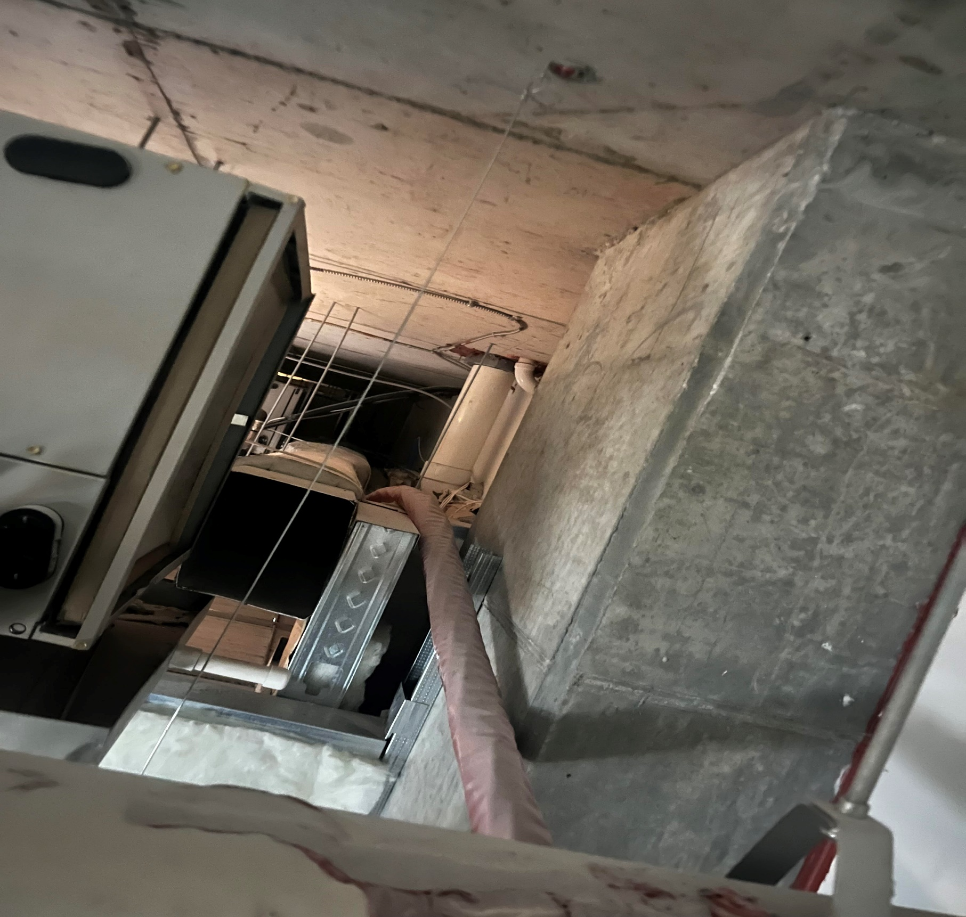
Asset | Area Served | Type | Size | DESIGN CFM | Prelim CFM | FINAL CFM | % to design
2-1 | 100 | A | 12X12 | 300 | 272 | 290 | 0.97
2-2 | 100 | A | 12X12 | 300 | 266 | 279 | 0.93
2-3 | 100 | A | 12X12 | 300 | 278 | 302 | 1.01
2-4 | 100 | A | 12X12 | 350 | 407 | 325 | 0.93
2-5 | GAMING | A | 12X12 | 350 | 223 | 254 | 0.73
 |  |  |  | 1600 |  | 1450 | 0.91

AHU-3
National TAB
Project: Crave - Westedge
Address: 99 WESTEDGE STE 1100 CHARLESTON, SC

Asset: AHU-3 (EXISTING) |  | Area: DINING AREA

Unit Data |  |  |  |  | Test Data
MFG | CARRIER |  |  |  |  | Design | Actual
Model Num | FB4CNP048 |  |  |  | SA CFM | 1600 | 1456
Serial Num | 2017A83733 |  |  |  | Fan Speed |  | DD / HIGH
 |  |  |  |  | OA CFM | 275 | 90
 |  |  |  |  | RA CFM | 1325 | 1366
Motor Data |  |  |  |  | RL Voltage | 208 | 211
Motor MFG | N/L |  |  |  | RL Amperage |  | 3.3
Horsepower | 0.75 |  |  |  | Suction ESP |  | -0.679
Motor Rpm | N/L |  |  |  | Discharge ESP |  | 0.25''
Phase | 1 |  |  |  | Total ESP | 0.5 | 0.929
Voltage (rated) | 208 |  |  |  | Brake HP |  | N/A
Amperage (rated) | 6 |  |  |  | OUTSIDE AIR DUCT IS NOT DUCTED TO THE UNIT, UNIT HAS OPEN RETURN AND IS NOT ABLE TO PULL THE REQUIRED CFM THROUGH DUCTWORK. RECOMMEND A BOOSTER FAN BE INSTALLED/ ADDED
 |  |  |  |  | OA IN-LINE DAMPER IS 100% OPEN AND LOOVERS ARE OPEN AND DO NOT HAVE DAMPERS INSTALLED IN THEM.
 |  |  |  |  | SGRD7 DAMPER IS 100% OPEN UNIT IS RUNNING IN HIGH SPEED, GRILL IS UNABLE TO REACH DESIGN CFM. UNIT TOTAL IS WITHIN DESIGN.
Asset | Area Served | Type | Size | DESIGN CFM | Prelim CFM | FINAL CFM | % to design
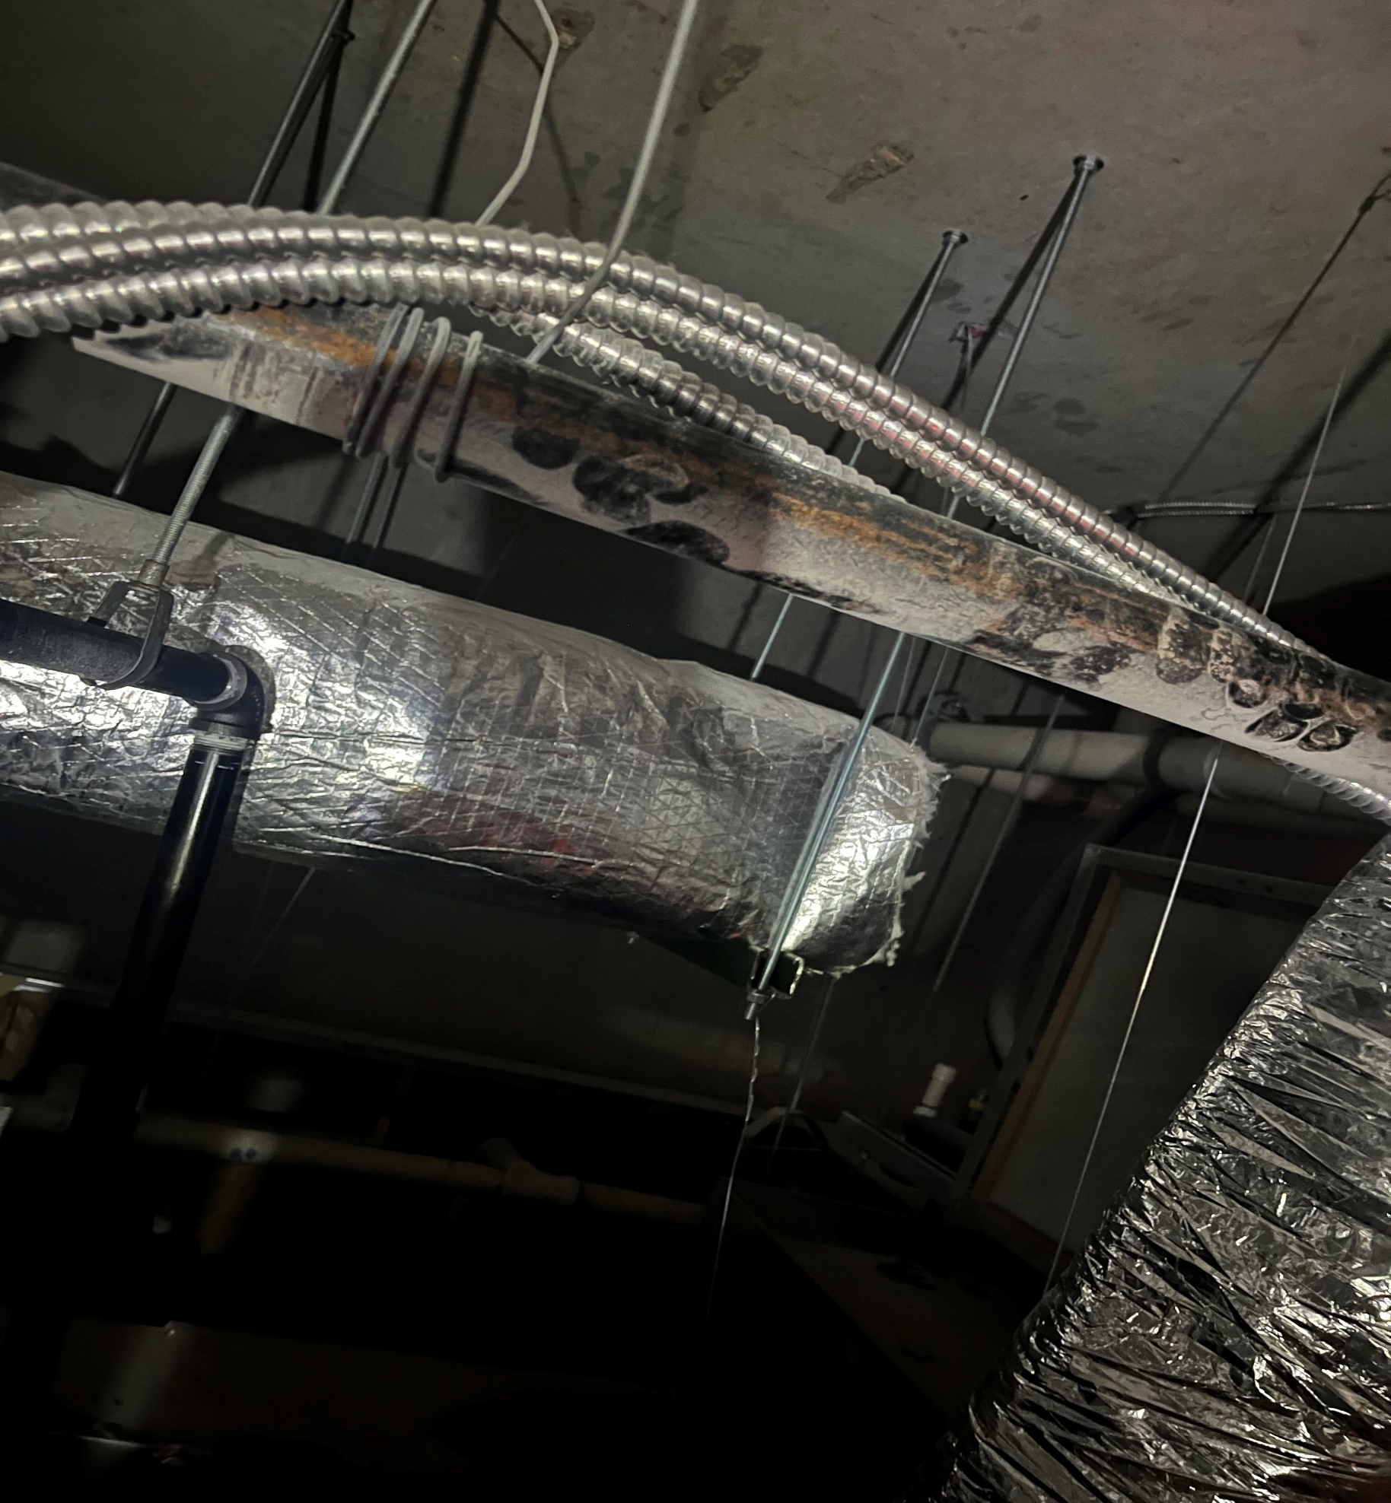
3-1 | 106 | B | 24X24 | 250 | 281 | 236 | 0.94
3-2 | 108 | C | 9X9 | 75 | 88 | 72 | 0.96
3-3 | 107 | C | 9X9 | 75 | 55 | 68 | 0.91
3-4 | 104 | B | 24X24 | 150 | 207 | 151 | 1.01
3-5 | 108 | C | 9X9 | 50 | 49 | 55 | 1.10
3-6 | 100 | A | 12X12 | 300 | 273 | 293 | 0.98
3-7 | 100 | A | 12X12 | 275 | 55 | 185 | 0.67
3-8 | 100 | A | 12X12 | 425 | 375 | 396 | 0.93
 |  |  |  | 1600 |  | 1456 | 0.91

AHU-4
National TAB
Project: Crave - Westedge
Address: 99 WESTEDGE STE 1100 CHARLESTON, SC

Asset: AHU-3 (EXISTING) |  | Area: PRODUCTION AREA

Unit Data |  |  |  |  | Test Data
MFG | CARRIER |  |  |  |  | Design | Actual
Model Num | FB4CNP048 |  |  |  | SA CFM | 1600 | 1477
Serial Num | 2017A83755 |  |  |  | Fan Speed |  | DD / HIGH
 |  |  |  |  | OA CFM | 175 | 65
 |  |  |  |  | RA CFM | 1425 | 1412
Motor Data |  |  |  |  | RL Voltage | 208 | 211
Motor MFG | N/L |  |  |  | RL Amperage |  | 2.8
Horsepower | 0.75 |  |  |  | Suction ESP |  | -0.393
Motor Rpm | N/L |  |  |  | Discharge ESP |  | 0.16
Phase | 1 |  |  |  | Total ESP | 0.5 | 0.553
Voltage (rated) | 208 |  |  |  | Brake HP |  | N/A
Amperage (rated) | 6 |  |  |  | OUTSIDE AIR DUCT IS NOT DUCTED TO THE UNIT, UNIT HAS OPEN RETURN AND IS NOT ABLE TO PULL THE REQUIRED CFM THROUGH DUCTWORK. RECOMMEND A BOOSTER FAN BE INSTALLED/ ADDED
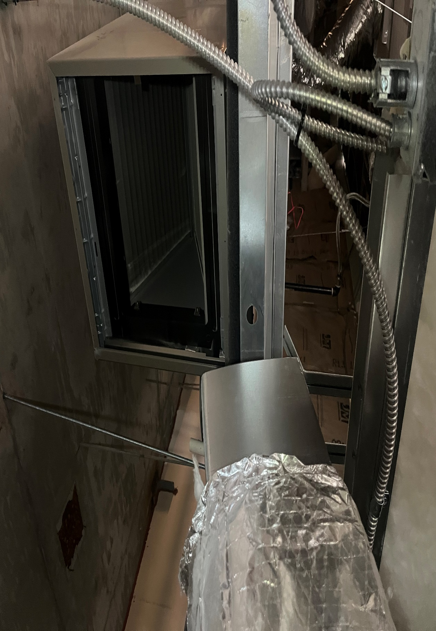
 |  |  |  |  | OA IN-LINE DAMPER IS 100% OPEN AND LOOVERS ARE OPEN AND DO NOT HAVE DAMPERS INSTALLED IN THEM.

Asset | Area Served | Type | Size | DESIGN CFM | Prelim CFM | FINAL CFM | % to design
4-1 | 102 | B | 12X12 | 200 | 167 | 181 | 0.91
4-2 | 102 | B | 12X12 | 200 | 185 | 190 | 0.95
4-3 | 102 | A | 12X12 | 200 | 196 | 182 | 0.91
4-4 | 102 | B | 12X12 | 200 | 184 | 185 | 0.93
4-5 | 100 | B | 12X12 | 400 | 365 | 379 | 0.95
4-6 | 100 | B | 12X12 | 400 | 356 | 360 | 0.90
 |  |  |  | 1600 |  | 1477 | 0.92

