Sheet1
APPENDIX *RTU (ROOFTOP UNIT) *EH (ENTRY HEATER) *ERV (ENERGY RECOVERY VENTILATOR) *EF (EXHAUST FAN) *CU (SPLIT SYSTEM- COMPRESOR UNIT) *AHU(SPLIT SYSTEM-AIR HANDLER) |  |  | WALGREENS FY24 HVAC SITE SURVEY CHECKLIST
Date: | 2025-05-29 | Store#: | 7549 | Address: | 4408 New Bern Ave, Raleigh, NC 27610 |  |  |  | Surveyor: | JC Freeman
RTU DATA |  |  |  |  |  |  |  |  | COOLING | HEATING |  | SMOKE DETECTOR |  | POWER SUPPLY |  |  | CURB MEASUREMENTS
UNIT # | AREA SERVED / LOCATION (Example: Front Sales, Pharmacy, Storage, etc…) | DATE OF MFG. | EF (ROOF MOUNTED / IN-LINE) | MAKE | MODEL # | SERIAL # | INTERNAL & EXTERNAL UNIT CONDITION COMMENTS & NOTES: (*Give Full Details On Each Unit*) |  | CAPACITY TONS | HEAT TYPE (PROPANE / NATURAL GAS / ELECTRIC / HEAT PUMP - AUX HEAT KW) | HEATING CAPACITY MAX INPUT(BTU / KW) | LOCATION (UNIT / DUCT) | DUCT LOCATION (SUPPLY / RETURN) | GFI POWERED (Y/N) (BLDG. / RTU) | VOLTAGE (NAMEPLATE / MEASURED) | PHASE | EXISTING CURB ADAPTER (YES/NO) | CURB MEASUREMENTS O.D. | UNIT MEASUREMENTS O.D.
RTU 1 | Front Sales |  |  | YORK | ZR120N18R2B5GCA2R1 | N1K8188124 |  |  |  | Gas | 185,000 | Unit | Return | Building | 208 | 3 | Yes | 84-1/2 X 51 | 87 X 53
RTU 2 | Sales |  |  | YORK | ZJ120N18R2B5GCA2R1 | N1K8179821 |  |  |  | Gas | 185,000 | Unit | Return | Building | 208 | 3 | Yes | 84-1/2 X 51 | 87 X 53
RTU 3 | Pharmacy |  |  | YORK | ZJ120N18R2B5GAA2A1 | N1A7352002 |  |  |  | Gas | 180,000 | Unit | Return | Building | 208 | 3 | Yes | 84-1/2 X 51 | 87 X 53
RTU 4 | Stockroom |  |  | YORK | ZJ049N98B2B5BCA2R1 | N1K8172227 |  |  |  | Gas | 50,000 | Unit | Return | Building | 208 | 3 | Yes | 66.5 X 42.5 | 68 X 44
RTU 5
RTU 6
RTU 7
EH
SPLIT SYSTEM DATA
CU 1 |  |  |  |  |  |  | *Include line set sizes*
CU 2 |  |  |  |  |  |  | *Include line set sizes*
CU 3 |  |  |  |  |  |  | *Include line set sizes*
AHU 1
AHU 2
AHU 3
EVAPORATIVE COOLER / SWAMP COOLER
VENTILATION DATA
ERV 1
ERV 2
STOCK ROOM SF
STOCK ROOM EF
EF 1 | Photo |  |  | CARNES | VEDK10J3A1UA20SPC1 | N/A |  |  |  |  |  |  |  |  | 115 | 1 | No | 17.5 X 17.5 | 18 X 18
EF 2 | Restroom |  |  | CARNES | VEDK08J2A1UA208PC1 | 412101 001 |  |  |  |  |  |  |  |  | 115 | 1 | No | 15.5 X 15.5 | 16 X 16
EF 3 | Restroom |  |  | CARNES | VEDK10J3A1UA20SPC1 | N/A |  |  |  |  |  |  |  |  | 115 | 1 | No | 17.5 X 17.5 | 18 X 18
EF 4 | Backroom |  |  | UNKNOWN | UNKNOWN | UNKNOWN |  |  |  |  |  |  |  |  | 115 | 1 | No | 17.5 X 17.5 | 18 X 18
EF 5
EF 6
EF 7

General Store Notes |  |  |  |  |  |  | Electrical Panel Information | FUSED SWITCH OR BREAKER | FUSE / BREAKER BRAND | FUSE / BREAKER MODEL # | RATING (AMPS) | WIRE SIZE | CONDUIT SIZE AT UNIT
Former Rite Aid (Y/N): |  |  |  |  |  |  | RTU-1 | Breaker | SquareD | FH36060 | 70 | 6 AWG | 3/4"
Partner Tenant: |  |  | Provide partner name. (Included but not lmited to: ex. Village Medical (VMD), LabCorp, Novant, and MedExpress) |  |  |  | RTU-2 | Breaker | SquareD | FH36060 | 70 | 6 AWG | 3/4"
Do Partner Tenants have full-height walls? |  |  | Full height walls are defined as walls up to ceiling. |  |  |  | RTU-3 | Breaker | SquareD | FH36060 | 100 | 6 AWG | 3/4"
Obvious "non-typical" Heat Load: |  |  | Ex.: Floor to glass windows, Sky Lights, Permanent Heat Productin Displays, Etc (Please make high level note of any potential items.) |  |  |  | RTU-4 | Breaker | SquareD | FH36050 | 35 | 8 AWG | 3/4"
Tenant Space (Y/N): |  |  | Tenant Name (VMD/Kroger/LabCorp, etc.): |  |  |  | RTU-5
Photo Lab (Y/N): |  |  | Dry/Wet Lab: |  |  |  | RTU-6
Roof Condition (Good/Fair/Poor): |  |  |  |  |  |  | RTU-7
Ductwork Type: |  |  | Ex.: Galvanized, Duct Board, Sock Duct, Other. If "Other" Specify Type. |  |  |  | RTU-8
Unit Hail Damage (Y/N): |  |  |  |  |  |  | CU 1
Store within 20 Miles of Ocean? (Y/N): |  |  |  |  |  |  | CU 2
Existing EMS (Y/N): |  | Yes, Gridpoint | EMS Type(FSG/Gridpoint): |  |  |  | CU 3
Fire Alarm Panel Operational (Y/N): |  |  | Panel Model#: |  |  |  | AHU 1
Photo of Fire Alarm Panel Taken (Y/N): |  |  |  |  |  |  | AHU 2
Main Refrigeration Type: |  |  | (Remote Condensing Unit or Self-Contained) |  |  |  | AHU 3
Main Refridgeration Type (Walk-In or Reach-In) |  | Freezer: |  |  |  |  | EVAPORATIVE COOLER / SWAMP COOLER
 |  | Cooler: |  |  |  |  | STOCK ROOM SF
Self-Contained Refrigeration ONLY Door Count: |  | Freezer: |  |  |  |  | STOCK ROOM EF
 |  | Cooler:
Obvious Visual Damage to MDP (Y/N): |  |  | Explain Visual Damage:
Notes for Installer:

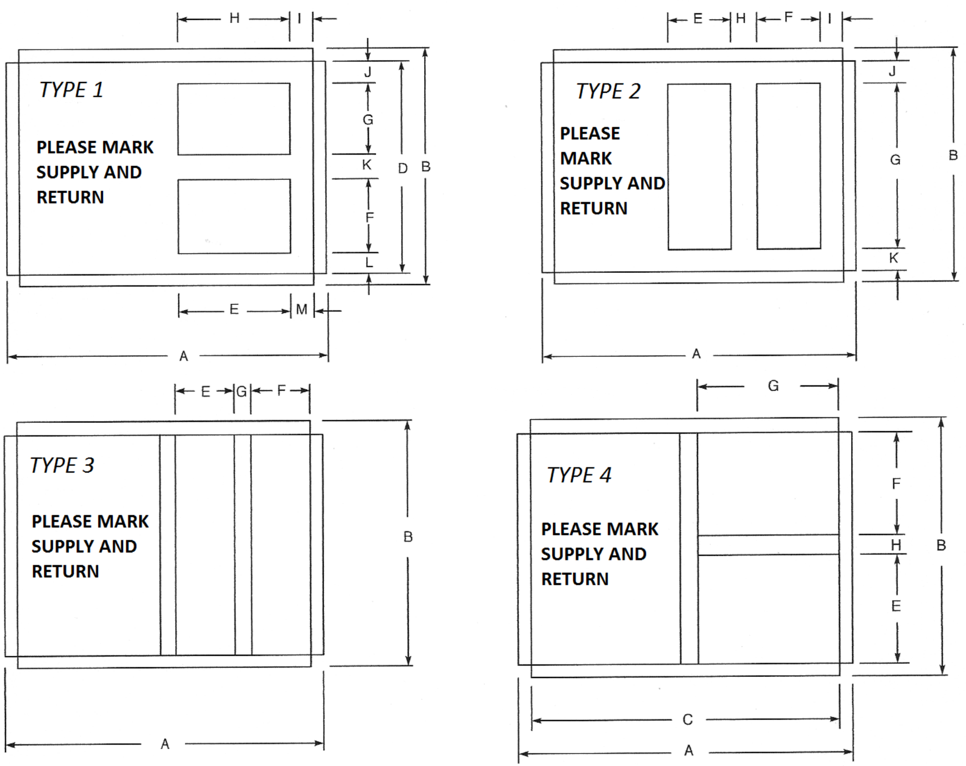
Original Curb Dimensional Data
 | RTU 1 | RTU 2 | RTU 3 | RTU 4 | RTU 5 | RTU 6 | RTU 7 | EH
Curb Type
A (Length)
B (Width)
E
F
G
H
I
J
K
L
RA
M
N
O

SA

